PPS spec
7.1.4.3 Programmable Power Supply Voltage Transitions
Parameter | Description | MIN | TYP | MAX | UNITS | Reference
vPpsNew | Programmable RDO Output Voltage measured at the Source receptacle. | RDO Output Voltage *0.95 | RDO Output Voltage | RDO Output Voltage *1.05 | V | Section 7.1.8.1
tPpsSrcTransition | The time the Programmable Power Supply Shall transition between requested voltages. | 0 |  | 25 | ms | Section 7.3
vPpsValid | The range in addition to vPpsNew which the Programmable Power Supply output is considered Valid in response to a load step. | -0.1 |  | 0.1 | V | Section 7.1.8.1
vPpsSlewPos | Programmable Power Supply maximum slew rate for positive voltage changes |  |  | 30 | mV/µs | Section 7.1.8.1
vPpsSlewNeg | Programmable Power Supply maximum slew rate for negative voltage changes |  |  | -30 | mV/µs | Section 7.1.8.1
vPpsStep | PPS voltage programming step size. |  | 20 |  | mV | Section 7.1.8.1
vPpsMinVoltage | Minimum Voltage Field in the Programmable Power Supply APDO. | APDO Voltage *0.95 |  | APDO Voltage * 1.05 | V | Section 7.1.4.3
vPpsMaxVoltage | Maximum Voltage Field in the Programmable Power Supply APDO. | APDO Voltage *0.95 |  | APDO Voltage * 1.05 | V | Section 7.1.4.3

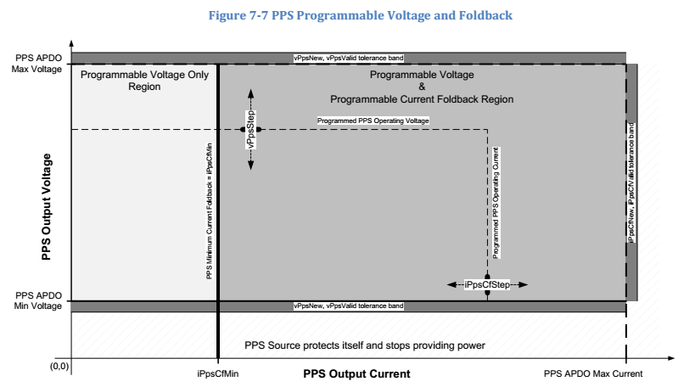
7.1.4.4 Programmable Power Supply Current Foldback（类似CC mode）
Parameter | Description | MIN | TYP | MAX | UNITS | Reference
iPpsCfStep | PPS current foldback programming step size. |  | 50 |  | mA | Section 7.1.4.4
iPpsCfTransient | CF load transient current bounds. | -250 |  | 250 | mA | Section 7.1.4.4
iPpsCvCfTransient | CV to CF transient current bounds assuming the Operating Voltage reduction of Section 7.2.3.1. | -100 |  | 500 | mA | Section 7.1.4.4
iPpsCfMin | Minimum current foldback setting. | 1 |  |  | A | Section 7.1.4.4
iPpsCfNew | Current foldback accuracy |  |  |  |  | Section 7.1.4.4
 | 1A ≤ Operating Current ≤ 3A | -150 |  | 150 | mA
 | Operating current > 3A | -5 |  | 5 | %
tPpsCfCvTransient | CF to CV transient voltage settling time. |  |  | 25 | ms | Section 7.1.4.4
tPpsCfProgramSettle | PPS current foldback programming settling time | 125 |  | 250 | ms | Section 7.1.4.4
tPpsCfSettle | CF load transient current settling time. | 125 |  | 250 | ms | Section 7.1.4.4
tPpsCvCfTransient | CV to CF transient settling time. | 125 |  | 250 | ms | Section 7.1.8.1
tPpsSrcTransition | The time the Programmable Power Supply Shall transition between requested voltages. | 0 |  | 25 | ms | Section 7.3
tPpsTransient | The maximum time for the Programmable power Supply to be between vPpsNew and vPpsValid in response to a load transient |  |  | 5 | ms | Section 7.1.8.1
vPpsCfCvTransient | CF to CV load transient voltage bounds. | Operating Voltage * 0.95 – 0.1V |  | Operating Voltage * 1.05 + 0.1V | V | Section 7.1.4.4
vPpsCvCfTransient | CV to CF transient voltage bounds assuming the Operating Voltage reduction of Section 7.2.3.1. | Operating Voltage – 1.0V |  | Operating Voltage + 0.5V | V | Section 7.1.8.1

对Sink的要求
iPpsCfLoadStepRate | Maximum load increase slew rate during Current Foldback. |  |  | 150 | mA/µs | Section 7.2.3.1
iPpsCfLoadReleaseRate | Maximum load decrease slew rate during Current Foldback. | -150 |  |  | mA/µs | Section 7.2.3.1
iPpsCfLoadStep | Maximum load step increase during Current Foldback. |  |  | 500 | mA | Section 7.2.3.1
iPpsCfLoadRelease | Maximum load release decrease during Current Foldback. | -500 |  |  | mA | Section 7.2.3.1

Power rule
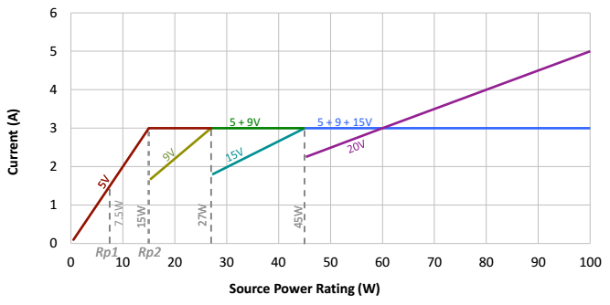

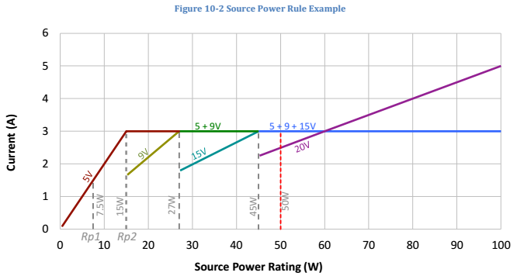

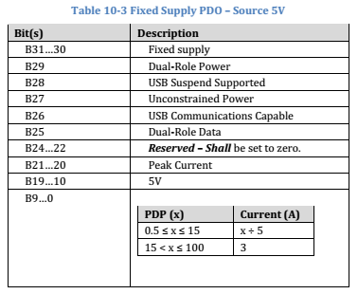

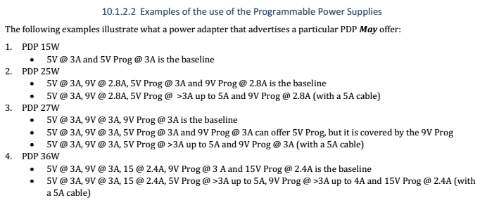

sink PDO&RDO
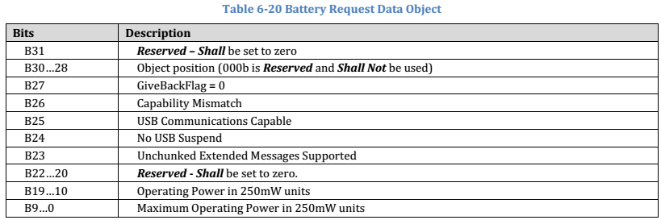
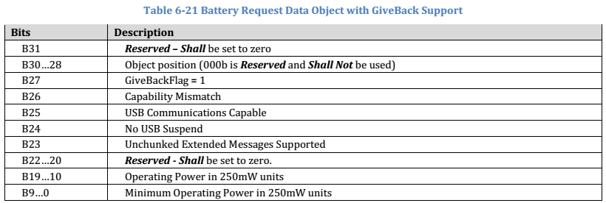
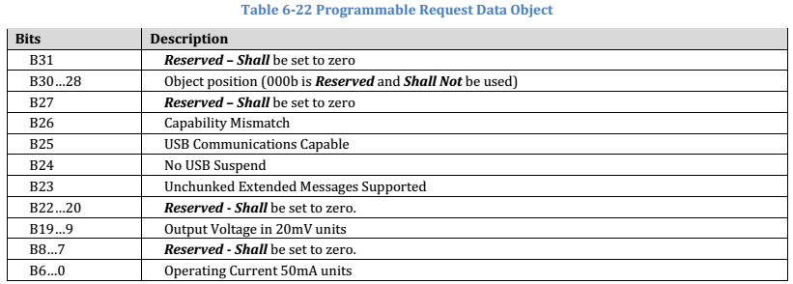
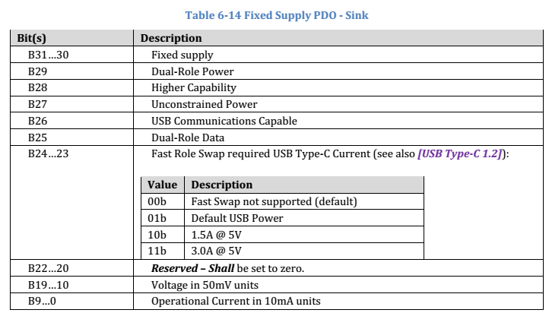

Note, only the Battery PDO uses power instead of current.

APDO：source和sink无差异

6.4.2 Request Message
For example, if the Source_Capabilities Message includes a
Fixed Supply PDO that offers 12V @ 1.5A and if the Sink only wants 12V @ 0.5A, it will set the Operating Current field
to 50 (i.e. 10mA * 50 = 0.5A).

 | The GiveBack flag Shall be set to indicate that the Sink will respond to a GotoMin Message by reducing its load to the
 | Minimum Operating Current. It will typically be used by a USB Device while charging its Battery because a short
 | interruption of the charge will have minimal impact on the user and will allow the Source to manage its load better.

source PDO
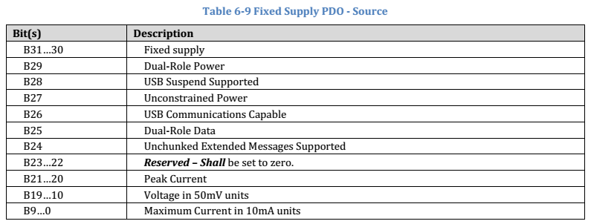
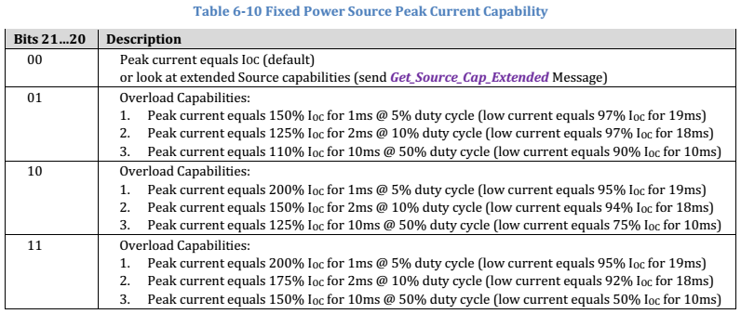
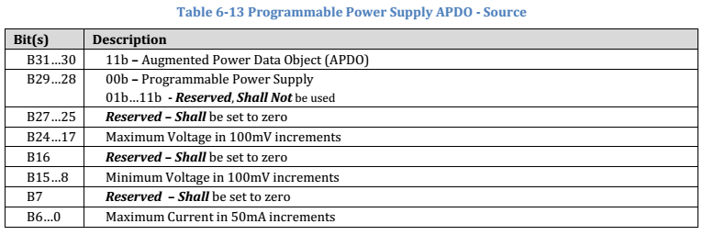
Power Data Objects in a Capabilities Message Shall be sent in the following order:
1. The vSafe5V Fixed Supply Object Shall always be the first object.
2. The remaining Fixed Supply Objects, if present, Shall be sent in voltage order; lowest to highest.
3. The Battery Supply Objects, if present Shall be sent in Minimum Voltage order; lowest to highest.
4. The Variable Supply (non-Battery) Objects, if present, Shall be sent in Minimum Voltage order; lowest to highest.
5. The Programmable Power Supply Objects, if present, Shall be sent in Maximum Voltage order, lowest to highest.

There is one type of Augmented Power Data Object:
• Programmable Power Supply is used to expose a power supply whose output voltage can be programmatically
adjusted over the advertised voltage range.

A list of one or more Power Data Objects Shall be sent by the Source in order to convey its capabilities. The Sink May
then request one of these capabilities by returning a Request Data Object that contains an index to a Power Data
Object, in order to negotiate a mutually agreeable Contract.

The Source Shall limit its offered
capabilities to the maximum current supported by its receptacle and Attached plug.

Both are composed of a number of 32-bit Power Data Objects

VDO
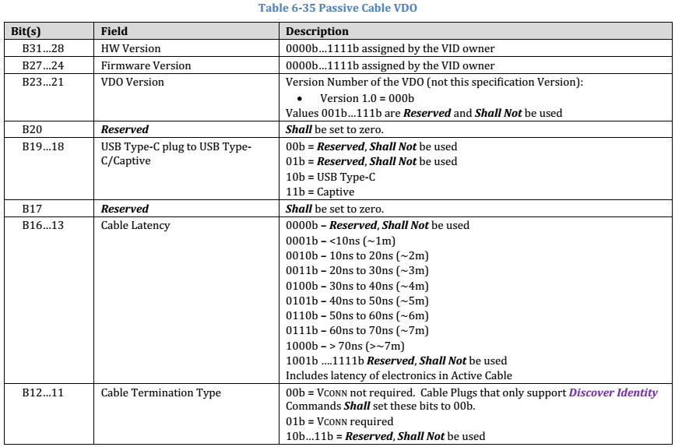
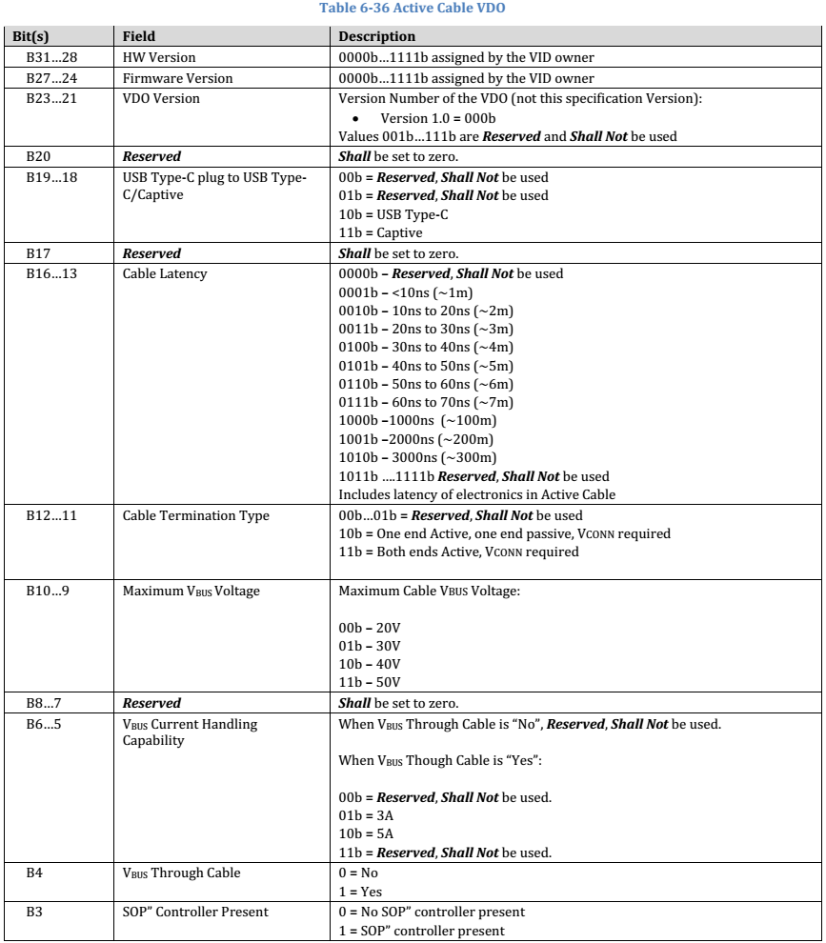
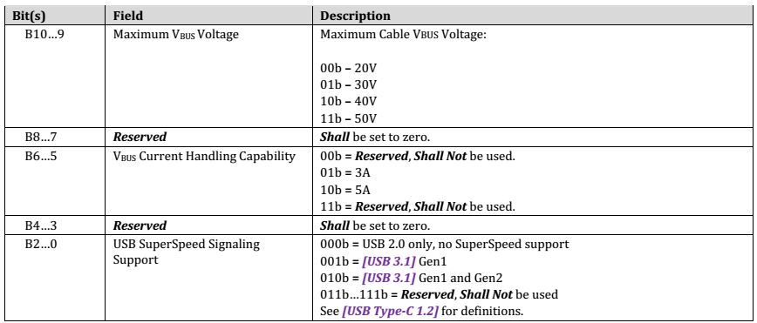
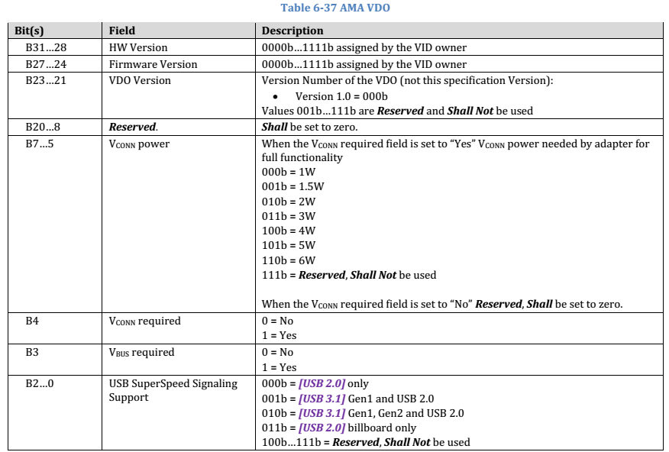
To ensure vendor uniqueness of Vendor_Defined Messages, all Vendor_Defined Messages Shall contain a Valid USB
Standard or Vendor ID (SVID) allocated by USB-IF in the VDM Header.

The Vendor_Defined Message (VDM) is provided to allow vendors to exchange information outside of that defined by
this specification.
A Vendor_Defined Message Shall consist of at least one Vendor Data Object, the VDM Header, and May contain up to a
maximum of six additional VDM Objects (VDO).

Vendor_Defined Messages Shall Not be used for direct power negotiation.

They May however be used to alter Local
Policy, affecting what is offered or consumed via the normal PD Messages. For example a Vendor_Defined Message
could be used to enable the Source to offer additional power via a Source_Capabilities Message.

Both Unstructured and Structured VDMs Shall only be sent and received after an Explicit Contract has been
established. | The only exception to this is the Discover Identity Command which May be sent by Source when no
 | Contract or an Implicit Contract (in place after a Power Role Swap or Fast Role Swap) is in place in order to discover
 | Cable capabilities (see Section 8.3.3.22.3).

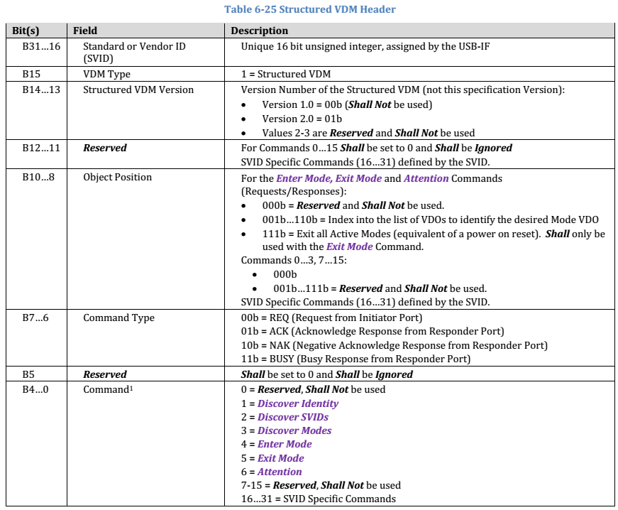

The Discover Identity Command is provided to enable an Initiator to identify its Port Partner and for an Initiator
(VCONN Source) to identify the Responder (Cable Plug). The Discover Identity Command is also used to determine
whether a Cable Plug is PD-Capable by looking for a GoodCRC Message Response.

Data Message type
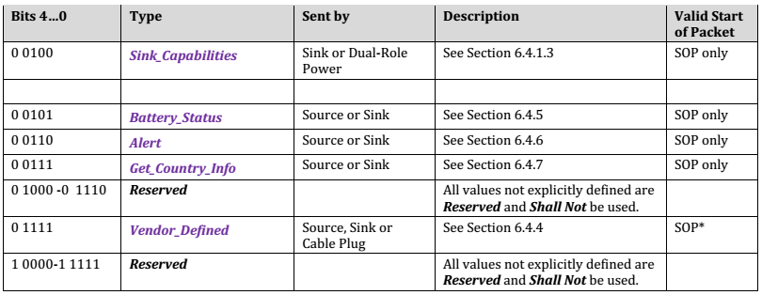
There are several types of Data Objects:
• BIST Data Object (BDO) used for PHY Layer compliance testing.
• Power Data Object (PDO) used to expose a Source Port’s power capabilities or a Sink’s power requirements.
• Request Data Object (RDO) used by a Sink Port to negotiate a Contract.
• Vendor Defined Data Object (VDO) used to convey vendor specific information.
• Battery Status Data Object (BSDO) used to convey Battery status information.
• Alert Data Object (ADO) used to indicates events occurring on the Source or Sink.

线缆的种类
